Project Statement
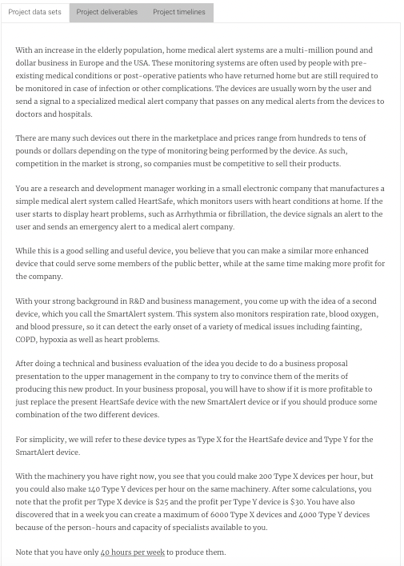
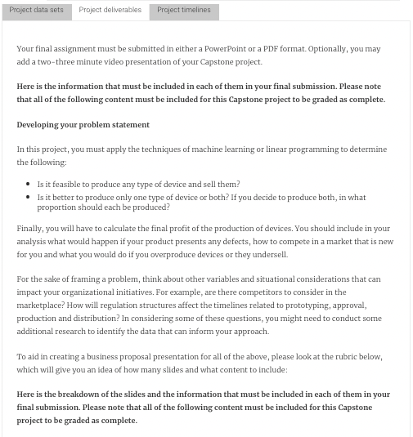
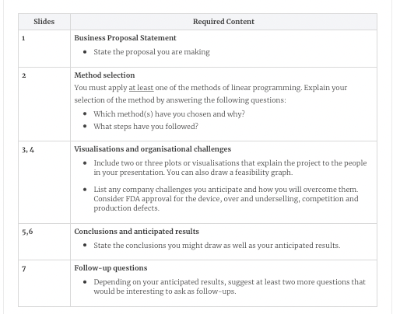

Charts
Weekly Machinery output
 | Production Constraint (Units) | Remaining Machinery Capacity (Units) | Production Used (Hours) | Remaining Capacity (Hours)
Type X, HeartSafe | 6,000 | 2,000 | 30 | 10
Type Y, SmartAlert | 4,000 | 1,600 | 29 | 11

 | Units per Hour
Type X, HeartSafe | 200
Type Y, SmartAlert | 140

Production Units per Hour

 |  |  |  |  |  | Output |  | Profit (within limits) |  | Profit (outside limits)
 |  |  |  |  | Hour | Type X, HeartSafe | Type Y, SmartAlert | Type X, HeartSafe | Type Y, SmartAlert | Type X, HeartSafe (Above Capacity Limitation) | Type Y, SmartAlert (Above Capacity Limitation)
 |  |  |  |  | 1 | 200 | 140 | $5,000.00 | $4,200.00
 |  |  |  |  | 2 | 400 | 280 | $10,000.00 | $8,400.00
 |  |  |  |  | 3 | 600 | 420 | $15,000.00 | $12,600.00
 |  |  |  |  | 4 | 800 | 560 | $20,000.00 | $16,800.00
 |  |  |  |  | 5 | 1000 | 700 | $25,000.00 | $21,000.00
 |  |  |  |  | 6 | 1200 | 840 | $30,000.00 | $25,200.00
 |  |  |  |  | 7 | 1400 | 980 | $35,000.00 | $29,400.00
Weekly Profit by Hour
 | Type X, HeartSafe | Type Y, SmartAlert | Type X, HeartSafe (Above Capacity Limitation) | Type Y, SmartAlert (Above Capacity Limitation)
1 | $5,000.00 | $4,200.00
2 | $10,000.00 | $8,400.00
3 | $15,000.00 | $12,600.00
4 | $20,000.00 | $16,800.00
5 | $25,000.00 | $21,000.00
6 | $30,000.00 | $25,200.00
7 | $35,000.00 | $29,400.00
8 | $40,000.00 | $33,600.00
9 | $45,000.00 | $37,800.00
10 | $50,000.00 | $42,000.00
11 | $55,000.00 | $46,200.00
12 | $60,000.00 | $50,400.00
13 | $65,000.00 | $54,600.00
14 | $70,000.00 | $58,800.00
15 | $75,000.00 | $63,000.00
16 | $80,000.00 | $67,200.00
17 | $85,000.00 | $71,400.00
18 | $90,000.00 | $75,600.00
19 | $95,000.00 | $79,800.00
20 | $100,000.00 | $84,000.00
21 | $105,000.00 | $88,200.00
22 | $110,000.00 | $92,400.00
23 | $115,000.00 | $96,600.00
24 | $120,000.00 | $100,800.00
25 | $125,000.00 | $105,000.00
26 | $130,000.00 | $109,200.00
27 | $135,000.00 | $113,400.00
28 | $140,000.00 | $117,600.00
29 | $145,000.00 |  |  | 121800
30 | $150,000.00 |  |  | 126000
31 |  |  | 155000 | 130200
32 |  |  | 160000 | 134400
33 |  |  | 165000 | 138600
34 |  |  | 170000 | 142800
35 |  |  | 175000 | 147000
36 |  |  | 180000 | 151200
37 |  |  | 185000 | 155400
38 |  |  | 190000 | 159600
39 |  |  | 195000 | 163800
40 |  |  | 200000 | 168000
 |  |  |  |  | 8 | 1600 | 1120 | $40,000.00 | $33,600.00
 |  |  |  |  | 9 | 1800 | 1260 | $45,000.00 | $37,800.00
 |  |  |  |  | 10 | 2000 | 1400 | $50,000.00 | $42,000.00
 |  |  |  |  | 11 | 2200 | 1540 | $55,000.00 | $46,200.00
 |  |  |  |  | 12 | 2400 | 1680 | $60,000.00 | $50,400.00
 |  |  |  |  | 13 | 2600 | 1820 | $65,000.00 | $54,600.00
 |  |  |  |  | 14 | 2800 | 1960 | $70,000.00 | $58,800.00
 |  |  |  |  | 15 | 3000 | 2100 | $75,000.00 | $63,000.00
 |  |  |  |  | 16 | 3200 | 2240 | $80,000.00 | $67,200.00
 |  |  |  |  | 17 | 3400 | 2380 | $85,000.00 | $71,400.00
 |  |  |  |  | 18 | 3600 | 2520 | $90,000.00 | $75,600.00
 |  |  |  |  | 19 | 3800 | 2660 | $95,000.00 | $79,800.00
 |  |  |  |  | 20 | 4000 | 2800 | $100,000.00 | $84,000.00
 |  |  |  |  | 21 | 4200 | 2940 | $105,000.00 | $88,200.00
 |  |  |  |  | 22 | 4400 | 3080 | $110,000.00 | $92,400.00
 |  |  |  |  | 23 | 4600 | 3220 | $115,000.00 | $96,600.00
 |  |  |  |  | 24 | 4800 | 3360 | $120,000.00 | $100,800.00
 |  |  |  |  | 25 | 5000 | 3500 | $125,000.00 | $105,000.00
 |  |  |  |  | 26 | 5200 | 3640 | $130,000.00 | $109,200.00
 |  |  |  |  | 27 | 5400 | 3780 | $135,000.00 | $113,400.00
 |  |  |  |  | 28 | 5600 | 3920 | $140,000.00 | $117,600.00
 |  |  |  |  | 29 | 5800 | 4060 | $145,000.00 |  |  | $121,800.00
 |  |  |  |  | 30 | 6000 | 4200 | $150,000.00 |  |  | $126,000.00
 |  |  |  |  | 31 | 6200 | 4340 |  |  | $155,000.00 | $130,200.00
 |  |  |  |  | 32 | 6400 | 4480 |  |  | $160,000.00 | $134,400.00
 |  |  |  |  | 33 | 6600 | 4620 |  |  | $165,000.00 | $138,600.00
 |  |  |  |  | 34 | 6800 | 4760 |  |  | $170,000.00 | $142,800.00
 |  |  |  |  | 35 | 7000 | 4900 |  |  | $175,000.00 | $147,000.00
 |  |  |  |  | 36 | 7200 | 5040 |  |  | $180,000.00 | $151,200.00
 |  |  |  |  | 37 | 7400 | 5180 |  |  | $185,000.00 | $155,400.00
 |  |  |  |  | 38 | 7600 | 5320 |  |  | $190,000.00 | $159,600.00
 |  |  |  |  | 39 | 7800 | 5460 |  |  | $195,000.00 | $163,800.00
 |  |  |  |  | 40 | 8000 | 5600 |  |  | $200,000.00 | $168,000.00

